ERROR
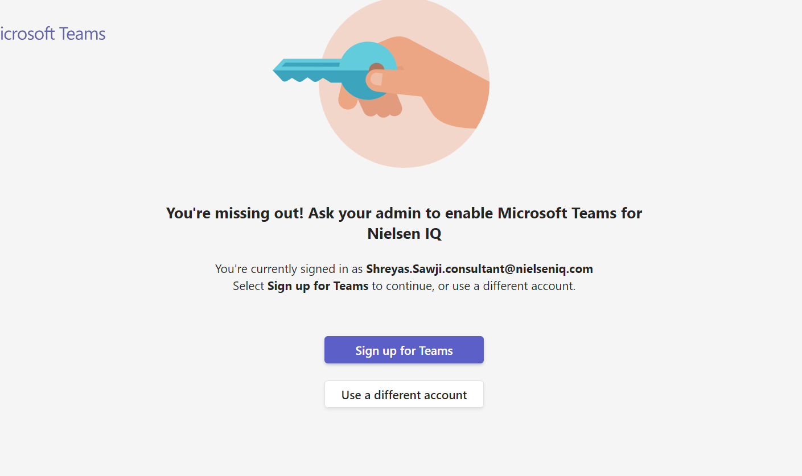

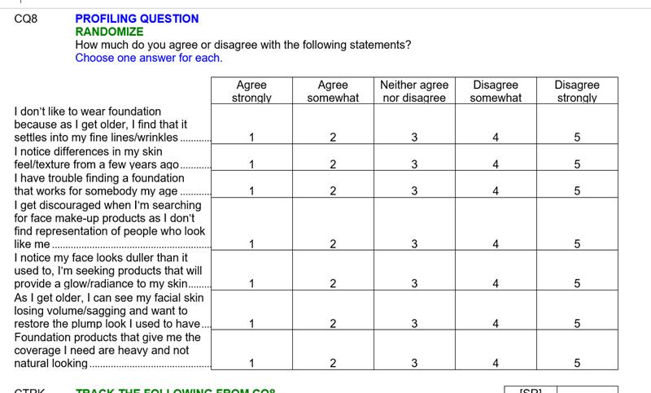
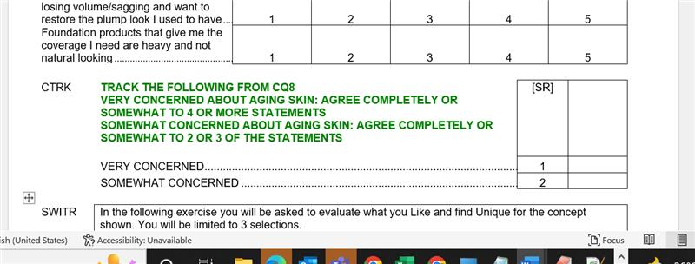

Daily Project Update
Projects done till now | DATE | BILL | Comments | Time

178330-1001 3pp | 17/8/2021 | y
190023-1001 split | 18/08/2021 | y
179132-1001 3PP | 19/08/2021 | y | (block 2,3, at CPI)
190138-1001 3pp philipin+ | 20/08/2021 | y
189981-1001 germany | 24/08/2021 | y | (block 2,3, at CPI)
189948-1001 germany 3pp / 176173-1001 IQA | 25/08/2021 | Y/Y | 189948 - CLIK Cdis setup
189999-1001 split us / 189594 IQA | 26/08/2021 | y/ Y
179210-1001 3pp US / 178107 IQA | 27/08/2021 | y/y
176686-1001 IQA/ 190015 IQA/ 190014 IQA/ 178328 | 30/08/2021 | all yes |  | 10 hr
190355-1001 3pp south korea/ 190349-1001 australia | 31/08/2021 | y/y |  | 10
190362 IQA / 190356-1001 3pp mexico | 2021-01-09 | y/y |  | 10
190000-1001 split US | 2021-02-09 | y |  | 10
177692-1001 IQA/ 172486-1001 IQA - billed in no proposal | 2021-06-09 | y/y | 172486-1001 IQA - billed in no proposal
178982-1001 3pp Australia | 2021-07-09 | y
190225-1001 3pp Phillipines | 2021-08-09 | y | Fact card, clik, s&w, CLANG
190613-1001 IQA / 190440-1001 3PP Canada | 2021-09-09 | y/y
190377-1001 IQA /178779-1001 IQA/ 190138-1001 IQA | 2021-10-09 | yes all |  | 2+3+2+
189249-1001 IQA / 190186-1001 3PP US | 13/09/2021 | y/y
190758-1001 IQA / 176362-1001 IQA /Zoning Training 1hr | 14/09/2021 | y/y/y
190250-1001 IQA / 190249-1001 IQA / 190440-1001 Zoning | 15/09/2021 | yyy | 190250 - Price advisor
190341-1001 IQA / 189327-1001 epanel placement germany | 16/09/2021 | yy | Placement, CD3, CD4 CAD...12
190798-1001 epanel US/ 189747-1001 Split placement French | 17/09/2021 | yy | Sunday
190599-1001 3PP US | 20/09/2021 | y | Complex gamer study
190527-1001/178356-1001/178780-1001 / 178778-1001 /177761-1002/177023-1001 | 21/09/2021 | y all
191001-1001 Graphics / 173716-1001 Zoning/173716-1001 Zoning/ 177023-1001 Zoning/ 189457-1001 Zoning/ 177761-1002 Zoning/ 190763-1001 Zoning | 22/09/2021 | y
178778-1001 Zoning/ 190141-1001 Zoning/ 189520-1001 zoning | 23/09/2021 | y
191052-1001 3PP Placement Japan | 24/09/2021 | y | Placement
178929-1001 IQA / 191207-1001 US 3PP | 27/09/2021 | y | only 12Q survey
190431-1001 PriceAdvisor 3PP Switzerland / 191123-1001/189482-1001 | 28/09/2021 | y | Price Advisor
178783-1001 PriceAdvisor 3PP Thailand | 29/09/2021 | y | SKU-BPA setup new concept
190848-1001/ 189983-1001/ 190535-1001/190818-1001/ 190257-1001/ 190861-1001 Count price Advisor ePanel US | 30/09/2021 | y | zoning / 190861-1001 Count price Advisor ePanel US reference study 178331
178607-1001 IQA / 191011-1001 IQA / 178372 IQA | 2021-01-10 | y | IQA
190615-1001 Zon/176477-1001 Zon / 191426-1001 3PP Prise Advisor US/ 191232-1001 Zon | 2021-04-10
189483-1001 SEQ BPA 3PP Philippines | 2021-05-10 | y | SKU-BPA setup new concept
191201-1001 3PP Idea screener Philippines | 2021-06-10 | y | BPA setup Ideal Screener
191020-1001 3pp Price Advisor US / 190911-1001 E-Panel Placement US | 2021-07-10 | y
189249-2001 Zon/ 189747-1001 Zon/ 190228-1001/ 191222-1001 3PP Bases1 Poland/ 191269-1001 Zon / 190192-1001 Zon/ 191428-1001 Zon/ 191477-1001 Zon/ 190643-1001 Zon / 189748-1001 Zon/ 177316-1001 Zon | 2021-08-10 | y all | CSVL - CLM loop
 | 2021-09-10
 | 2021-10-10
178780-1001 Zon/ 190911-1001 Pr/ 191422-1001 Zonog Change/ 178778-1001 Zon/ 191418-1001 Zon/ 191172-1001 Zon | 2021-11-10 | y
191475-1001 Zon/ 191428-1001 Zon /178778-1001 Zon/ 178780-1001 Zon / 191258-1001 3PP UK/ 191133-1001 Zon/ 178879-1001 Zon/ 178213-1001 Zon / 191220-1001 Create folder / 191514-1001 Create folder | 2021-12-10 | y
191128-1001 3PP Count Advisor Russian Fed. / 191077-1001 3PP Placement Product Advisor US | 13/10/2021 | y
177965-1001 MFM Bases1 South Africa | 14/10/2021 | y | MFM Bases1 reference 189741-1001
191373-1001 3PP Price Advisor UK / 191436-1001 zon/ 191115-1001 Zon/ 191216-1001 Zon/ 178879-1001 Zon | 18/10/2021 | y | SEQ- CBPA
190971-1001 Split Placement BASES 2 France / 189913-1001 3PP Placement Product Advisor Brazil | 19/10/2021 | y
190971-1001 - CCONP condition change request / 191133-1001 Zon / 178608-1001 Zon / 192017-1001 Epanel BASES Others US | 20/10/2021 | y | CNTVR - Region punching BASES Others
190643-1001 zon / 191514-1001 zon / 191277-1001 zon / 190974-1001 zon / 190971-1001 zon / 191593-1001 zon / 191284-1001 zon / 191377-1001 zon / 191752-1001 IQA | 21/10/2021 | y
177112-1001 IQA / 192070-1001 IQA / 189888-1001 SEQ BPA Price Advisor Philippines | 22/10/2021 | y | SEQ- CBPA setup
179110-2001 Zon / 178779-1001 Zon / 178607-1001 Zon / 191172-1002 Zon / 191172-1001 Zon / 191153-1001 Zon / 191593-1001 Zon / 191820-1001 Zon / 190121-1001 IQA/ 191364-1001 Changes / 190121-1001 Changes | 25/10/2021 | y
190018-1001 3PP SEQ Snapshot Bolivia | 26/10/2021 |  | Complicated study 9hrs, worked extra
190275-1001 Split Placement Product Advisor US / 191568-1001 3PP Snapshot Canada | 27/10/2021 | y
191834-1001 3PP SEQ Snapshot Indonesia / 191001-1001, 191818-1002, 178608-1001, 191577-1001, 191462-1001, 190064-1001 | 28/10/2021 | y | <row label="r1">${buildVLTRImage("1918341001EC1.JPG","Concept 1") if (CLAN.r1) else buildVLTRImage("1918341001BC1.JPG","Concept 1")}</row>
Zon(191277-1001, 191943-1001, 190606-1001, 190605-1001, 190018-1001) 190700-1001 3pp SEQ BPA Mexico / 190699-1001 3PP SEQ BPA Colombia | 29/10/2021 | y
191165-1001 3PP Placement Indonesia / 191141-1001 Zon/192034-1001 Zon/192033-1001 Zon | 2021-01-11 | y | Segementation, refer ugam library3
191888-1001 Pharma Snapshot Mexico (Zon 191806-1001/ 191647-1001/ 191985-1001) | 2021-02-11 | y | Reference pharma 173951/173953
190658-1001 3PP Mexico / 191637-1001 3PP Snapshot US (ZON 191447-1001 / 191360-1001 / 191001-1001 / 191621-1002 ) | 2021-03-11
192217-1001 CLT Placement Product Advisor Norway / Zon 191313-1001 | 2021-04-11 |  | CLT Placement product - Refer 190305 / Complicated | 7 hr
202572-1001 IQA / 192218-1001 IQA (Zon 191364-1001 / 177250-1001 / 190886-1001 / 177251-1001 / 191568-1001 / 190606-1001 ) | 2021-08-11 | y
191958-1001 3PP BASES Others India | 2021-09-11 | y | 77777-1001 Reference India / Complicated
192238-1001 3PP Snapshot China | 2021-10-11 | y | refer 175047-1001
202504-1001 IQA / 192089-1001 3PP SEQ BPA Price Advisor Thailand | 2021-11-11 | y
190202-1001 3PP SEQ BPA Price advisor KSA / 191303-1001 Script check | 2021-12-11 | pending | SEQ-BPA complex block
202770-1001 3PP Idea Screener India | 15/11/2021 | y |  |  | IDIN / IDIN 2
189445-1001 Epanel Placement Bases2 US | 16/11/2021 | y
(ZON 202464-1001 / 191820-1001 / 192362-1001 / 190229-1001) / 192176-1001 CLT BASES1 South Africa | 17/11/2021 | y | CLT till 2am
(Zon 192044-1001 /192042-1001 / 202717-1001) / 202432-1001 3PP Vietnam | 18/11/2021 | y |  | till 1am
Zon 190619-1001 / 190336-1001 3PP Pharma BASES Others Mexico | 19/11/2021 | y | Pharma
190336-1001 Changes / 202516-1001 3PP Price Advisor Japan / 202379-1001 Split Sequential Germany | 22/11/2021 | y | Long study took extra hour
202379-1001 Split Sequential Germany / (Zon 202790-1001 /191462-1001 / 202381-1001/ )202823-1001 script changes / 192103-1001 IQA | 23/11/2021 | y | Completion of previous day
189958-1001 CLT Product Advisor China / 192176-1001, 191964-1001, 191651-1001 | 24/11/2021 | Y | CLT product / CINC2 reduce list
202917-1001 3PP SEQ BPA Price Advisor South Korea | 25/11/2021 | y
203153-1001 3PP Snapshot Germany/ 191528-1001/191530-1001/191529-1001/202558-1001/191527-1001/203042-1001/203039-1001/192200-1001 (Changes 189958-1001/191965-1001/202705-1001) (feedback changes 202917-1001) 203153 3PP Snapshop Germany | 26/11/2021 | y
202977-1001 3PP Idea Screener Philippines | 29/11/2021 | y | CKID1, 2,3
202889-1001 3PP Snapshot India | 30/11/2021 | pending | India cviva, csv
191522-1001 3PP SEQ BPA Price Advisor Peru | 2021-01-12 | y | Citrix not working
189664-1001 3PP SEQ BPA Price Advisor Vietnam |  | y
192368-1001 CLT Placement SnapShot2 Turkey | 2021-07-12 | y | refer 1684441001
202893-1001 Split Snapshot Germany / 202894-1001 3PP Snapshot Japan | 2021-08-12 | y
203344 split idea screener canada / 203721-1001 3PP Idea Screener Thailand | 2021-09-12 | y
172467-1001 3PP Snapshot Ecuador / 172462-1001 3PP Snapshot Colombia/ (202959-1001/192250-1001/192248-1001/192316-1001/203046-1001) | 2021-10-12 | y all | Price Validatior setup
203774-1001 3PP Snapshot South Korea / 203703-1001 Split Snapshot Canada | 13/12/2021 | y | Sova condition /CLAN Cell cond (Canada) / Group randomization "CS" /CFRM cond
191732-1001 / 202691-1001 / 190973-1001 / 203120-1001 / 190974-1001/ 190618-1001 / 192056-2001 / 191732-1001 /203559-1001 3PP Snapshot Canada - Ref- 172987-1001 | 14/12/2021 | y | 172987-1001 kid setup
202971-1002 3PP Snapshot Mexico / 204047-1001 3PP Idea Screener Vietnam | 15/12/2021 | y | 169237-1001 Numeric Ranking CST2
192137-1001 QC |  |  | Sova block CLKM condition
203751-1001/190619-1001/203149-1001/191391-1002/202868-1001/203216-1002/203215-1002/191391-1001/192137-1001 Script check Task | 16/12/21 | y
202421-1001/203874-1001/191947-1001/Graphics training/ Router setting trainig | 17/12/21 | y | Training Graphics/router
Zon191721-1001(20)/204004-1001 Split Snapshot US/190661-1002 3PP Snapshot Brazil | 20/12/21 | y all | 171699-1001 CKID ref / Ranking Num 10
203375-1001 Split Placement Product Advisor US Start-7:45 / 203511-1001 | 21/12/21 | yes all | Ref: 203559/1729871001 CKID K9, CHILD
192288-1001 3PP Snapshot India / Graphic 204004-1001 | 22/12/21 | y
204009-1001 3PP Gamers BASES Others US | 23/12/21 | y | Gamer Complex
204276-1001 3PP Snapshot India | 30/12/21 | y | cc1,cc2,cc3,cc4 electricity ugamlib2
203640-1001 IQA / 204276-1001 Clarification / 190549-1001 placement script check | 31/12/21 | y
203276-1001 Zon / Data check training | 2022-03-01 | y | Data check training
204100-1001 3pp snapshot india | 2022-04-01 | y | Card setup/cviva heat map setup
204269-1001 Epanel Idea Screener Canada /202935-1002/202935-1001/203162-1001 | 2022-05-01 | y | IDEA concept names
190888-1001 3PP Snapshot India | 2022-06-01 | y | Video setup
Zon 204417-1001 / 203703-1001 / 203805-1001 / Changes,xml-gtt 204269-1001 / Changes 203707-1001 | 2022-09-01 | y
203007-1001 Split SnapShot2 Placement US | 2022-10-01 | y | Placement
202935-1001 Zon/ Changes(203291-1001 /204202-1001 /204203-1001 / 203392-1001) /204229-1001 3PP Snapshot India | 13/1/2022 | y | 204276-1001 CVIVA/CVIVC as checkbox (3 level Sova)
204544-1001 3PP Snapshot Malaysia Start / Data check 192137-1002 / 190888-1001 / | 14/1/2022 | y | Price Validator setup/ numeric ranking (CQ4) | 5 hr prog | nnset logic used CTRAC
Changes 204203-1001 / 204202-1001 / 204281-1001 Split Snapshot UK | 17/1/2022 | y | nnset condition and length of x condition used CQL1D |  | CS/CSUB reduce list
203128-1001 Epanel Snapshot US - start 10:45-3:30 / 204202-1001 changes and graphics | 18/1/2022 | y | Segmentation, Split grid setup(this or that) CX1, CX2 | 4hr
204041-1001 3PP snapshot India | 19/1/2022 | y | Card setup/cviva heat map setup Harpic study (CINCB) |  | uses="cardrating.1"
203799-1001 3PP Snapshot US / 204319-1001 zon / 190618-1001 Query zon | 20/1/2022 | y |  | 3hr prog
204417-1001 / 190619-1001 Zon / 204179-1001 3PP Snapshot Philippines | 21/1/2022 | y | Number list generator cviva 1-63 list | 4
204641-1001 / 204640-1001 / 204723-1001 Split Idea Screener US / 203829-1001 its Future state study Assignment | 24/1/2022 | y | Idea images
Changes 203387-1001 /204806-1001, Zon 192137-1001 / 203392-1001 / decipher training ppt | 25/1/2022 | y
changes 178412-1001 / 204005-1001 zon | 27/1/2022 | y
204041-1003 3PP Snapshot India | 28/1/2022 | y | CVIVA show images, card setup Harpic | 7hr | cell g-I, reduce list used at cs
Find time setup / Max diff setup | 31/1/2022 | y | Learning : Find time setup / Max diff setup
POD loops, Switr concepts show using quota/least fill, Lineup/Refield, Recontact Study / 203392-1001 Zon | 2022-01-02 | y | Teaining
204520-1001 Changes/Clarification /// 204355-1001 QC 2hr / Assignment 162532-1001 | 2022-02-02 | y | Assignment 162532-1001 (pod seq quota) |  | ref 204914-1001 | surveyDisplay="desktop"
205098-1001 QC / 191985-1001 Zon / Assignment 162532-1001 | 2022-03-02 | y | custom idea screener
204721-1001 Changes / 204520-1001 Zon / 204809-1001 Cng / 205144-1001 3PP snapshot India | 2022-04-02 | y | India highlighter setup/ csreduce used, csub1 different, ca3,ca4 |  | different age questions
Clarifi 203217-1001 / Change 204812-1001 / Clarification 205144-1001 / Zon 178412-1001 , 203665-1001, 203217-1001 / 205072-1001 3PP Price Advisor US | 2022-07-02 | y | 205072 - Price calculator / treshold / DOG 164488 FOR SET UP |  |  | 204223-1001 ref Price calculator
QC- 204134-1001 3PP BASES Others South Korea / Prog -205097-1001 3PP SEQ BASES Others India | 2022-08-02 | y | seq intrb/csee/cpi , numeric rank - CRANK, CLSM segmentation, refer 77777-1001, PRT1 top link custom
205288-1001 Epanel BASES Others Italy / 205289-1001 Epanel BASES Others UK / 205313-1001 Epanel BASES Others US/ Zon 204281-1001 | 2022-09-02 | y
205315-1001 Epanel BASES Others Canada / Zon 178412-1001/Zon 205241-1001/ QC 202786-1001/ 205163-1001 Epanel Idea Screener | 2022-10-02 | y |  |  | Idea, pod1-4, pod2-3
205012-1001 / 204134-1001 / 205006-1001 / 12zon 204373-1001 / 22zon 204078-1001 / zon query 204003-1001 / 204087-1001 3PP BASES Others Philippines | 2022-11-02 | y | Complicated study 7hrs, worked extra
204087-1001 3PP BASES Others Philippines (Remaining programming) | 13/2/2022 (Sunday) | y | Sunday pending programming
ch 179164-1008 / 205064-1001 3PP Placement BASES Others Netherland / Ch 205313-1001 / CH 204134-1001/ Clari 202805-1001 / ch 204207-1001 / ch 204316-1001 / ch 204315-1001 / Zon (10) 205257-1001 | 14/2/2022 | y |  |  | cell base placement, 5 variety, used placement 2 variety
204949-1001 3PP Snapshot Germany / 204673-1001 Epanel Placement Product Advisor US / Zon(15) 204736-1001 | 15/2/2022 | y | cell base placement / csub , cs
205393-1001 3PP Snapshot Thailand / Zon (2) 203007-1001 / changes (12) 205330-1001 / zon (1) 203549-1001 | 16/2/2022 | y | 8 Blocks SOVA (CLKM) Numeric Ranking CN1, CAGE radio setup, Csreduce used for CSUB, CS |  | Mask grid used - CSVL
205494-1001 3PP Price Advisor India / 205015-1001 2 zon / 205381-1001 3PP Price Advisor UK | 17/2/2022 | y | CUNIT / CS show punches logic, different |  | 2 CBPA blocks | 173829-1001 Refer CBPA
Ch 205392-1001 (1.30) / Ch_Grap_xmlGtt 204947-1001 (2hr) / Ch 205332-1001 (0.15) / Ch_Grap 205059-1001 (30) / 205534-1001 3PP Maxdiff BASES Others India (4.30) | 18/2/2022 | y | Max Diff setup |  | ref 191299 | Single, 10 variety, 6 sets
205510-1001 3PP Snapshot Brazil | 21/2/2022 | y |  |  | Nivea study
HOLIDAY | 22/2/2022 | N
205367-1001 3PP Snapshot Puerto Rico / (Zon 205457-1001 / 205330-1001 / 205458-1001 / 205457-1001 | 23/2/2022 | y | Ref: 205082-1001 , Scotch/whiskey / Alcohol
CH 205367-1001 / Zon 205650-1001 / 204352-1001 3PP Maxdiff BASES Others Mexico | 24/2/2022 | y | Max diff row grid with images in options
205645-1001 Split Bases Other US / zon 205330-1001 (2) / QC 205492-1001 / | 25/2/2022 | p/y | CBR/CBR7- new setup / Video setup CVIDT/CVIEW / CBR1/CTEL- Record word count | 3.5hr | 189736-1003
205492-1001 / 205612-1001 / 205492-1001 / 190646-1001 204585-1001 / 205645-1001 / Changes | 28/2/2022 | y
Changes 204352-1001 (many) / 205367-1001 changes / | 2022-01-03 | y | Changes, translation changes, graphic , max diff
206010-1001 TB Snapshot US / changes 205736-1001 | 2022-02-03 | y | Taco bell / use macro file in DP folder |  | refer 205157-1001
206003-1001 3PP BASES Others Thailand / 206004-1001 3PP BASES Others Indonesia / 178412-1001 40 zones | 2022-03-03 | y | Similar study 15 pages
Change 205742-1001, 204585-1001, 205765-1001 / x-gtt 205981-1001, 205982-1001 / 202792-1001 3PP Price/Count Advisor Mexico | 2022-04-03 | y | 3 threshold based on cells, price calculator formula, price advidor , ckid, ckid1 / INTRB, INTSS show for cell A only
206029-1001 3PP BASES Others Taiwan / Clari 205165-1001 / 204365-1001 3PP Snapshot Belgium | 2022-07-03 | y | Cigrate
205624-1001 Epanel SEQ BPA Price Advisor France / 205625-1001 Epanel SEQ BPA Price Advisor UK / 205912 change | 2022-08-03 | y
(ZON 205768-1001 / 205765-1001 / 203255-1001) 206124-1001 Epanel Price Advisor US / 205512-1001 3PP Snapshot US | 2022-09-03 | y | 206124-1001 (2 BPA blocks used) CUNIT validation at CS / 205512-1001 Numeric ranking only 3 / Segmentation CSG ,CS2 |  | Holder
CH 205692-1001 / 205693-1001 / ch zon 205165-1001 / ch 205512-1001 / xml gtt 204993-1001 / ch, xml gtt 204365-1001 / 191851-1001 Split Snapshot US | 2022-10-03 | y | cs block, reduce list / CAT CDM setup used, CCST
CH 205622-1001 / CH zon 205623-1001 / ch 205643-1001 / 206302-1001 3PP SEQ BPA Price Advisor India | 2022-11-03 | y | complex pipe in, bpa pipe in SKU, pods loop |  | harpic / phenyl
prog me and Tanvi 204151-1001 / 205693-1001 / 205693-1001 / 205715-1001 / 203825-1001 / 203824-1001 / 203822-1001 / 203823-1001 / QC -206121-1001 | 14/3/2022 | y
205716-1001 Split SEQ Snapshot Germany / Clari 206121-1001 / Ch 205529-1001 / ch 205663-1001 / ch 205716-1001 / zon 206064-1001 / xml - gtt 205663-1001 / zon 205970-1001 / zon 205623-1001 | 15/3/2022 | y | Complex pipe in / segmentation CSG / loop / Radio CS / CSUB
Zon 206064-1001 / 205192-1001 3PP Snapshot Denmark / 205595-1001 3PP Product Other Canada Discovery | 16/3/2022 | y | ref 205594 / 2 seq loops / different complex study / lease fill / quota
204059-1001 MFM Snapshot Turkey / CH 203824-1001 / 205291-1001 / zon 204973-1001 / zon 205663-1001 / zon 205332-1002 | 17/3/2022 | y | Ref MFM 178785-1001 |  | select MFM while running enigma
205715-1001 ch / ch 205192-1001 / 205606-1001 MFM PreBases Turkey | 18/3/2022 | y | MFM Bases1 reference 189741-1001 |  | images in options - CQ6
Schedule leave | 21/3/2022 | Leave
206098-1001 MFM Snapshot Turkey | 22/3/2022 | y | CVIEW video / CVWA - price validation / value range validation |  | CVW
206102-1001 3PP Snapshot Thailand / Ch 205606-1001 / Ch, Clari 206421-1001 / Graphics 206098-1001 / Zon 206421-1001 / Ch, Grap 206466-1001 | 23/3/2022 | y | CVIDEO / CVWA price validator range , 3 videos |  | Same as 206098-1001 MFM
206097-1001 Epanel Snapshot US / Zon 205745-1001 / zon 205746-1001 / zon 205935-1001 / | 24/3/2022 | y | CVWA range validation price validator |  | Same as 206098-1001 MFM
Ch 206536-1001 / Gr ch 178134-1001 / Gr 205974-1001 / Gr 206555-1001 / Gr ch 206324-1001 / zon 205974-1001 / Ch 206555-1001 / Zon 203129-1001 / QC 206100-1001 | 25/3/2022 | y | 206100-1001 / 206555-1001 CQ1 <noanswer label="r99">DON'T KNOW</noanswer> |  | 205974-1001 | <row label="r11" randomize="0" exclusive="1">None of these statements applicable to this variety of [pipe: CAW1]</row> Add grouping="cols" | Checkbox and exclusive row
206101-1001 Epanel Snapshot UK / Zon 206098-1001 | 28/3/2022 | y | Video / images provided |  | Same as 206098-1001 MFM
206615-1001 3PP Snapshot Costa Rica / 206616-1001 3PP Snapshot Panama (Bill Pending) | 29/3/2022 | y | CT1 / CT2 / CQ1 image / Autopunch / Alcohol / 206614-1001 |  |  | 206616-1001 (3Hr)
img,gtt 206614-1001 / img,gtt 206615-1001 / img,gtt 206616-1001 / 205668-1002 Epanel Placement Refield BASES 2 Italy / gtt / 206608-1001 Epanel SEQ BPA Price Advisor US | 30/3/2022 | y | 3 threshold, CAW1 pipe in, Concept pipe in, 3 SKU , Group SKU
205942-1001 3PP Snapshot Australia / 205508-1001 zon | 31/3/2022 | y |  |  | 206773-1001 | len([x for x in nnset(1,3) if CNS2.attr(x)]) ge 2
206902-1001 3PP SEQ BASES Others Poland / 206225-1001 3PP SEQ BPA Price Advisor Switzerland | 2022-01-04 | y | 206902-1001 - SEQ loop 10 pods, 30 concepts, concept1, pipe in / 206225-1001 CCST4, CCST5 BPA type questions, CPROT, BPA pipe in / cappuccino coffee
206227-1001 3PP SEQ BPA Price Advisor Austria / 206638-1001 3PP BASES Others UAE / 206651-1001 3PP BASES Others India | 2022-04-04 | y | CLAN used / similar studies / CQ4 CQ11 / exclusive grid / different top link |  | 3:30 / 3 / 3:15 | logoffed : 4:45
206360-1001 3PP - Placement BASES2 India / 204157-1001 zon | 2022-05-04 | y | ref 205993-1001 india placement / different placement / INTF2 2 top links / images
206846-1001 3PP Idea Screener Mexico / 206621-1001 Split Snapshot UK | 2022-06-04 | y | 206846-1001 ref 206846 - 57 IDEA / custom rotation / 206621 - alcohol / autopunching CUNI / holder punch 4 CS / CS1 |  | 206846-1001 = ETA: 5.30 206621-1001 = ETA: 4.00
Zon 207101-1001 / zon 206177-1001 / Graphic reupload idea 206849-1001 / Ch 207101-1001 / ch 206220-1001 / 206269-1001 Epanel SEQ BPA Price Advisor US | 2022-07-04 | y | 2 BPA block / CAT setup / CDM / CROT - rotate CBPA as quota / SEQ BPA rotation not done |  | 206269-1001 = 4hr
Ch 206220-1001 / ch 207013-1001 / zon 205715-1001 / zon 205716-1001 / ch zon 206885-1001 / QC 206087-1001 segmentation POD idea screener | 2022-08-04 | y | segmentation CSEG1 / 4 pods / FC link
206195-1001 Changes / 206723-1001 Clarification / 206221-1001 Clarification / Changes / Images / 206809-1001 Changes / Err / 206195-1001 Clarifications err / 204365-1001 Zon / 206644-1001 Changes / 206636-1001 ch / 206645-1001 ch | 2022-12-04 | y | top link / res defination / 206645
206723-1001 Changes / 206360-1001 Clarification / 206229-1001 Clarification/Query / 206222-1001 Changes / 206220-1001 Changes / 206714-1001 Changes / 207237-1001 Changes/Clarification / 206960-1001 Changes | 13/4/2022 | y
205510-1002 Graphics / 207161-1001 3PP Idea Screener Japan | 14/4/2022 | y | 106 ideas / CAT , xCPI add rows / CPROT / 16 pods | CAT error timer |  | DQstartCATtimer inside loop / IDIN2
207018-1001 3PP Placement SnapShot 2 US | 15/4/2022 | y | 2 variety placement script, CTRY script update , complex , CS / CLK / reduce list /
206731-1001 zon / err 206639-1001 / 206638-1001 err / ch 206883-1001 / ch 206651-1001 / ch,grap 207137-1001 / ch 207018-1001 | 18/4/2022 | y
207462-1001 Epanel Snapshot US / 204618-1001 ch | 19/4/2022 | y | Segmentation same 203128-1001 |  | 5hr | 192305-1001 - IPKG
207112-1001 3PP Snapshot France | 20/4/2022 | y
206105-1001 3PP SEQ All Other Netherlands / 205748-1001 ch | 21/4/2022 | y | 30 ideas , 10 pods CPROT INTP-CQEYE |  | 206105-1001 : 5hr | similar to 206902-1001
204691-1001 3PP SEQ Snapshot South Korea / 207538-1001 ch | 22/4/2022 | y | CLIK CDIS loop 30 ideas
CH 205748-1001 / ch 206134-1001 / ch 205017-1001 / 207214-1001 D2D online BASES Others Pakistan / 207113-1001 3PP Price Advisor France | 25/4/2022 | y | D2D / CHH CAGE CAGE3 radio setup refer 202602-1001 for pakistan |  | 207214-1001 - 5hr / P 207113-1001 - 3hr | for D2D / CLT enigma - select MFM
img 206134-1001 / 206241-1001 CLT Snapshot Czech Republic / 207468-1001 Split Snapshot US / zon 207112-1001 | 26/4/2022 | y |  |  | 207468-1001 - P -3hr
206241-1001 Changes/Clarifications/Graphics (1hr) / 207468-1001 sova ch / 204691-1001 Changes/Graphics/XML to GTT / 207616-1001 3PP Price Advisor Italy / 207649-1001 3PP Price Advisor US | 27/4/2022 | y | VBPA/ threshold/ 3,4 digits
2hr 207545-1001 Changes/ 1hr 206239-1001 Changes/ 1hr 206237-1001 Changes/ 10min 191315-1001 Changes/ 15min 206849-1001 Zoning/ 15 207546-1001 XML to GTT/ 15 207503-1001 Zoning /15 207505-1001 Zoning /15 207508-1001 Zoning /15 207468-1001 Zoning /30 207378-1002 Changes /20 207462-1001 Zoning /45 207018-1001 Zoning /10 206499-1001 Zoning /1hr 207032-1001 Zoning | 28/4/2022 | y
ch 207295-1001 / ch 206602-1001 / zon 205424-1002 / ch 207294-1001 / ch img 207546-1001 / ch 206237-1001 / ch 206239-1001 / ch 207503-1001 / 30 zone 204764-1001 / | 29/4/2022 | y
ch 207548-1001 / ch 207649-1001 / ch 207672-1001 / grap 206675-2001 / zon 205969-2001 / zon 207101-1002 / 207672-1001 3PP Idea Screener India | 2022-02-05 | y |  |  |  | DQstartCATtimer / IDIN2
CH 205678-1001 / QC 206396-1001 3PP Placement Product Other Brazil / ch 191315-1001 / ch 204500-1001 / ch 207582-1001 / chh 191314-1001 / ch 191315-1001 / ch 207582-1001 | 2022-03-05 | y | QC 206396-1001 3PP Placement Product Other Brazil
207582-1001 ch / ch 207448-1002 / ch 206103-1001 / zon 206729-1001 / ch,clari 206576-1001 / 207328-1002 3PP Lineup Snapshot US | 2022-04-05 | y |  |  | 3hr - pend | 207328-1002 3PP Lineup Snapshot US
ch 207595-1001 / ch 205950-1001 / ch 206458-1001 / zon 205705-1001 zon 205788-1002 / zon 205787-1002 / xml gtt 207417-1001 / ch india 207606-1001 | 2022-05-05 | y
 | 2022-06-05 | y
ch 207606-1001 / ch 206720-1001 / ch grp 207924-1001 / gtt 207799-1001 / ch clari 207606-1001 / 207924-1001 clari / ch 207594-1001/ zon 205705-1001 / 204780-1001 3PP Lineup Snapshot Indonesia | 2022-09-05 | y | 206952 - Negative placement reference / 204779-1001 line up ref |  | 3hr pend - | 204780-1001 3PP Lineup Snapshot Indonesia
205919-1001 3PP Snapshot Canada / 207214-1001 Clarifi / 203960-1001 Epanel Placement SnapShot 2 UK (HOLD) | 2022-10-05 | y |  |  | 3hr pend - | 205919-1001 3PP
203958-1001 ch err / 203959-1001 ch / 203960-1001 ch / 207785-1001 Epanel Idea Screener Czech Republic / 207924-1001 ch / 204618-1001 zon | 2022-11-05 | y | CAT setup different CG1 / CKID / CSEXT CPPT backpunch / |  | 3hr pend - | 207785-1001
207430-1001 Split Placement BASES 2 UK | 2022-12-05 | y | 4 product / 2 placement |  | 4 hr
207553-1001 3PP Idea Screener Japan / 206235-1001 zon / ch 206952-1001 / IMP 207785-1001 / ch 206675-1003 | 13/5/2022 | y | loopiteration s&w
HOLIDAY | 16/5/2022 | NA
Ch 207924-1001 / 207309-1001 ch img / 206441-1001 3PP Snapshot Mexico | 17/5/2022 | y | CQ4 image ranking / CPPT auto punch CSEXT backpunch
207114-1002 3PP SEQ Snapshot Vietnam / ch 207981-1001 | 18/5/2022 | y | INTRB / INTFC loop logic / PRT1 /
205426-1001 3PP SEQ Lineup Product Advisor Thailand / 206134-1004 3PP Copy Over Snapshot Spain / 206134-1005 3PP Copy Over Snapshot Spain | 19/5/2022 | y
#TRANS NOT DONE INDIA - Translation pending 208201-1001 #UPDATED Translation pending 208206-1001 #UPDATED Translation pending 208200-1001 #TRANS NOT DONE Translation pending 208207-1001 #TRANS NOT DONE Translation pending 208208-1001 #Done Qre not updated Translation pending 208205-1001 Qre not updated for local language Translation pending 208199-1001 Qre not updated for local language Translation pending 208203-1001 Qre not updated for local language Translation pending 208204-1001 / 205865-1001 3PP Price/Count Advisor Saudi Arabia | 20/5/2022 | y
zon 205705-1001 / 207678-1001 zon / ch 207678-1001 / zon 207309-1001 / ch 207430-1001 / ch 207914-1001/ 208377-1001 3PP SEQ Copy over Snapshot South Korea / 208145-1001 3PP Snapshot US | 23/5/2022 | y | custom CSUB setup CSUB/CSUB1 | 3.5hr pending | 208145-1001 3PP Snapshot US
207027-1001 3PP Snapshot Philippines / ch 207743-1001 / ch 207742-1001 | 24/5/2022 | y | CQ3 image drag and drop ranking / CVIVA heat map / CQ2 loop question 207742-1001
ch 207018-1002 / 208435-1001 Split BASES Others US /zon 207214-1001 / 208036-1001 zon | 25/5/2022 | y | CBR / CBR7 / least fill / CRES / video setup
208531-1001 3PP Snapshot India | 26/5/2022 | y | CTEUG / CTEUB / quota stop / brand quota / CVIVA CVIVF / 3 unique sova / images in all options / CREL CADV card setup / INDIA study / complex |  |  | uses="onerowatatime.3"
207829-1001 ch / ch 207710-1001 / ch 207711-1001 / 207235-1001 ch zon / zon 15 207783-1001 / gtt 207829-1001 / zon 208480-1001 / ch 208025-1001 / ch 207936-1001 | 27/5/2022 | y
208201-1001 Changes / 208422-1001 Changes-Zoning / 177307-1001 Changes/Clarification/ Graphics / 208605-1001 Clarification / 208655-1001 Changes / 177307-1001 Clarification / 208025-1001 Clarification / 207829-1001 Changes | 31/5/2022 | y | back punching for grid : 208655-1001 / 207829-1001- CQ4N / CSEG2 / CCS4
207550-1001 Changes / 177307-1001 Changes/XML to GTT / 177308-1001 Changes / 207730-1001 Changes/Clarification top link issue / 207829-1001 Changes / 208448-1001 Changes / 208153-1001 Clarifications / 208448-1001 Clarifications | 2022-01-06 | y | 207730-1001 - complex changes /custom top link
207556-1001 Changes/Clarification/XML to GTT / 207158-1001 Changes / 207159-1001 Changes / 204179-1002 XML to GTT / 204179-1003 XML to GTT / 208356-1001 Changes / 206459-1001 Changes / 207676-1001 Live Changes / 206459-1001 XML to GTT / 177307-1001 Changes/Clarification / 207829-1001 Changes/Clarification | 2022-02-06 | y
208489-1001 Epanel Price Advisor Germany custom / 207678-2001 XML to GTT / 207829-1001 Changes | 2022-03-06 | y | 208489-1001 custom study / CBPA / CPPP least fill / calculation / CBPA Qualifier
 | 2022-06-06 | y
 | 2022-07-06 | y
206396-1001 ch / ch 207762-1001 / zon 207742-1001 / zon 177308-1001 / zon 208202-1001 / clari 207762-1001 / 208508-1001 Split Idea Screener US / ch 208664-1001 / zon 207321-1001 / zon 208400-1001 | 2022-08-06 | y |  | 3hr pending | 208508-1001 Split Idea Screener US
208952-1001 3PP Price Advisor India / zon 206675-1001 / zon 207678-1001 | 2022-09-06 | y | Display one side response at a time instead of showing the whole grid at once. | 5hr - 208952-1001 3PP | grid | uses="onerowatatime.3"
207556-1001 Changes/ 207865-1001 Zoning / zon 207981-1001 / zon 207321-1001 / 207114-1004 3PP Snapshot Vietnam | 2022-10-06 | y | SEQ concepts, dummy cell 1001,1002,1003,1004,1005 waves | pending - 6hr | 207114-1004 3PP Snapshot Vietnam
208343-1001 3PP Price Advisor UK / 207851-2001 Changes / zon 206727-1001 / zon 208145-1001 / zon 207321-1001 / zon 208086-1001 / zon 208328-1001 / zon 207730-1001 / zon 24 208328-1001 / zon 207815-1001 / zon 208490-1001 / | 13/6/2022 | y |  | 2.5 hr pending | 208343-1001 3PP Price Advisor UK
207941-1001 Changes/Clarification / Graphics change 208952-1001 / zon 208490-1001 / zon 206675-1003 / zon 207272-1001 / zon 207273-1001 / z 207796-1002 / z 208400-1001 | 14/6/2022 | y
207941-1001 Zoning / 209062-1001 Clarifications / 207490-1001 Clarifications/Changes / 208678-1001 3PP Placement SnapShot 2 South Korea / ch 208077-1001 | 15/6/2022 | y | 5 unit / 2 variety placement / Nestle / coffee / images / CATE | 5.30 hr pending | 208678-1001 Bill pending | skip placement - 2080771001
207756-1001 Clarification / 207557-1001 Changes / 208077-1001 Changes / 205312-1001 Changes/ zon 208021-1001 / zon 208480-1001 / z 208329-1001 / z 208272-1001 / 209016-1001 3PP Idea Screener Philippines | 16/6/2022 | y | CLAN / multiple language images / ctf3 pipe in /
206975-1001 Split Placement SnapShot 2 UK / 208736-1001 Changes / 209016-1001 Changes / | 17/6/2022 | y
206979-1001 Graphics/Clarifications / 208875-1001 Changes/Graphics / 206975-1001 Clarifications / 206980-1001 XML to GTT / zon 208341-1001 / Zon Query 207730-1001 / 207506-1001 Split Placement Product Other US / 206975-1001 Changes / 205312-1001 Zoning / 208736-1001 Changes | 20/6/2022 | y | cell base placement / 6 variety 2 unit / segmentation / CI1 / CI2 | REFER TO #172692
207756-1001 Changes / 207791-1001 Clarifications/Changes / 192002-1001 Clarifications/Changes / 208736-1001 Clarifications/Changes / 208599-1001 Changes / 206973-1001 Changes / zon 209062-1001 / 207176-1001 Split Placement BASES 2 UK | 21/6/2022 | y | Find time / COR CKY / CAD1 CAD4 / PPF1 / CFC
205312-1001 zon / z 208480-1001 / 208915-1001 Changes / 206974-1001 Changes / 208748-1001 Changes / 208599-1001 Changes / 206976-1001 Changes / 208919-1001 Changes / 206975-1001 Changes / 209209-1001 Changes / 207176-1001 Zoning / 208076-1001 3PP Snapshot US | 22/6/2022 | y | CFM2 CLKM sova 7 blocks 4 colums CKID |  | All reference library | X:\General\Innovation - Under Construction\Internal\Library
207860-1001 Split SEQ BPA Price Advisor US /Changes ( 207700-2101 / 208599-1001 / 208512-1001 / 204791-1001 / 207506-1001 ) | 24/6/2022 | y | calculation CBPA Calculated / addition amount in CBPA 3 dollar |  | SEQ BPA alculation | 1764801001
208832-1001 3PP Snapshot India | 27/6/2022 | y | CVIVA highlighter / sova 13 block CLK / CUN / cell based sova / CWRV/CTFV/CTGV/CTCV auto punching , pipe in |  |  | uses="onerowatatime.3"
209316-1001 Split Snapshot UK / ZON( 208266-1001 / 208265-1001 / 208400-1001 / 206974-1001 / 208599-1001 Changes Image / watermark / 206992-1001 / 209119-1001 / 208527-1001 / 207321-1001 / 206729-1001 ) | 28/6/2022 | y | watermark , YOUR SURVEY ID HAS BEEN RECORDED AS (INSERT LOG-IN ID) / [IF ONE FORM/SIZE: this product] [IF MORE THAN ONE FORM/SIZE: these products ] - 209316-1001 / 204281-1001 CFM2 / Find time setup findtime |  | 209316-1001 | PLEASE ADD FOLLOWING SECUIRTY PROTOCOL. SEE 177816 FOR EXAMPLES / 208599-1001 search protected , name="survey.respview.footer.support"
208400-1001 zon / 209268-1001 change / 209017-1001 Changes-Zoning / 208609-1001 Changes / 209063-1001 ch / 209125-1001 Changes / 208732-1001 Zoning / Changes / 208806-1001 Images/ Zoning / 209285-1001 Zoning / 207439-1001 zon / zon 206973-1001 | 29/6/2022 | y | 1 variety , min 1 unit max 2 unit placement CPC2 video capture setup - 208609-1001 / CSCB / CSEC auto punch back punch / 209268-1001 - CCO , CWRR / password setup /
zon 206975-1001 / 208165-1001 zon / 209063-1001 Changes / 209125-1001 Changes / Zoning / 206992-1001 zon / 208351-1001 zon / 208920-1001 zon / 209125-1001 zon / 206976-1001 zon / 209062-1001 zon / 207430-1001 zon / zon 208919-1001 / 208400-1001 / 209064-1001 / 208527-1001 zon 46 / 92 zones | 30/6/22 | y
209128-1001 Changes / 202759-1001 zon (5) / 209029-1001 3PP Snapshot Switzerland / 209030-1001 3PP Snapshot Switzerland custom | 2022-01-07 | y | 209029-1001 - CSUB1 auto punched, Cslist 2 punches CLAN , CZIP || 209030-1001 custom / ref 207866-1001 shubham / CSELL / CPAT / CPAT2 / CPAT3 / CTRT / CPRE | SANA® DORMA MED |  | 209030-1001 3PP Snapshot Switzerland custom - me mohammad, priya
206975-2001 Changes / 208609-2001 Changes/Clarifications / 208178-1001 CLT SEQ Product Other Kuwait custom | 2022-05-07 | y | Custom rotation | 4hr pendng | 208178-1001 | ref 208175-1001
206975-2001 Changes / 208074-1001 Changes / 205312-1001 zon / 208566-1001 3PP Price Advisor India | 2022-06-07 | y | CSTOR / CTEU1 / CTEUG / CTEU2 / CTEUB / CDET / similar to 208531-1001 study / Images pipe in
209455-1001 Changes / 208178-1001 Changes/Clarification billing - Pending / 209693-1001 3PP Price Advisor US / 209264-1001 Changes / 207267-1001 Clarification / 209652-1001 Epanel Idea Screener US | 2022-07-07 | y | cell 1 - 4 idea cell 2 - 5 idea, statement idea |  | 208178-1001 Changes/Clarification billing - Pending - 30 mins
209703-1001 3PP Snapshot Poland / 209540-1001 Clarification / 209701-1001 Split Snapshot France | 2022-08-07 | y/p | CVIEW video / segmentation CSG / coffee study | 3.5hr 209701-1001 pend
209703-1001 Clarifications/Changes / 209264-1001 Changes / 208142-1001 Changes / 208152-1001 zon / 209652-1001 zon 209222-1001 zon / 209552-1001 3PP Snapshot Canada | 2022-11-07 | y | CSRG1 / CSRG2 / CLAN / s&w image condition / Graphics condition / image logic at VLTR / block and qualifier
209302-1001 Changes / 208566-1001 Clarification / 209540-1001 zon / 209549-1001 Translation + Training / 208293-1001 Changes / 205425-2101 zon / 208806-1001 zon / 209552-1001 graphics implementation / CBLOK condition / 207506-1001 zon | 2022-12-07 | y
208290-1001 Changes / 208142-1001 Changes / 209456-1001 Changes / 209764-1001 Split SEQ Snapshot Germany / 208566-1001 Clarification / 208590-1001 zon / 208588-1001 zon / 208806-1001 zon / 209552-1001 Changes / 209030-1001 change | 13/7/2022 | y | CREG test screen CREGQ
208849-1001 QC / 209454-1001 QC / 209702-1001 Changes / 208296-1001 Changes / 209701-1001 Changes / 209703-1001 Changes / 208178-1001 Changes / 209030-1001 Changes | 14/7/2022 | y | 209454 - BRAND CAPPING REQUIRED HERE
209454-1001 Changes/Clarification / 209348-1001 ch / 209764-1001 ch / 209760-1001 ch / 209815-1001 ch / 209846-1001 3PP SEQ Snapshot Brazil / 209815-1001 208909-1001 XML GTT / | 19/7/2022 | y | SEQ BPA / CAT / CBEL / CMEM / 27 concepts / CPI parent brand
209535-1001ch / 207745-1001 Clarification / 208910-1001 XML to GTT / 207740-1001 changes / 208344-1001 / 204602-1003 QC custom Gamers study line up | 20/7/2022 | y | Split concept s&w create quota, add hasmarker script for auto punch, add condition |  | Split quota / split concept to 3 - 207745-1001
208287-1001 ch / 210072-1001 zon / 208935-1001 zon / 208287-1001 Changes/ 208344-1001 XML to GTT / 210053-1001 QC china snapshot study / ch 209753-1001 | 21/7/2022 | y
208719-1001 Changes / 208910-1001 Changes / 208909-1001 Changes/Clarification / 209532-1001 zon / 209552-1001 zon / 207158-1001zon / 209365-1001 / 209716-1001 / | 22/7/2022 | y
209927-1001 Changes/Clarification / 208719-1001 Changes / 207740-1001 Changes / 210191-1001 3PP Snapshot India | 25/7/2022 | y | BRAND CAPPING REQUIRED HERE CSTATN / similar to 209454-1001 / mosquito all out / brand images - 210191-1001
209861-1001 3PP All Other Philippines / 209863-1001 3PP All Other Thailand | 26/7/2022 | y | Numeric ranking / custom / covid | creg / cregq balanced PHP |  | Recontact study Training : 1.5 hours
209575-1001 Changes / 210145-1001 3PP SEQ All Other Sweden / IQA 210247-1001 | 27/7/2022 | y
206768-1001 Changes / 210247-1001 video imp / 210271-1001 Changes qualifier update refer 203089-1001 / 210239-1001 Changes qualifier / idea graphics / s&w images | 28/7/2022 | y | multi lang images canada / idea screener - 210239-1001 |  |  | surveyDisplay="desktop"
209865-1001 img / 209862-1001 Changes / xml to gtt 210277-1001 / 210078-1001 3PP Idea Screener Philippines | 29/7/2022 | y | rotation order / nnset CO1 , CO4… |  | 210078-1001 - 5hr pending | nnset logic / logic for many rows
209860-1001 Changes / xml gtt / 209856-1001 Changes / 208566-1002 3PP Lineup Price Advisor India | 2022-01-07 | y
210078-1001 Clarifications / Graphics / 206768-1001 graphics / 210052-1001 3PP Price Advisor Philippines / 210244-1002 3PP SEQ All Other Netherlands copy over / 210244-1003 3PP SEQ All Other Netherlands copy over / 210244-1004 3PP SEQ All Other Netherlands copy over | 2022-02-07 | y | Alcohol / CTK01 / copy over of - 210244-1001
210307-1001 Clarification / 208820-1001 Translation / 209865-1001 Changes / 208290-1002 3PP Gamer Lineup Snapshot Germany / 208289-1002 3PP Gamer Lineup Snapshot UK | 2022-03-07 | y | 208290-1002 1hr / 208289-1002 1hr billing pending
210337-1001 Changes / 210307-1001 Changes / 206531-1001 zon / set to live 208289-1002 / set to live 208290-1002 / 210591-1001 Split-Lineup Snapshot US | 2022-04-07 | y
210339-1001 Clarifications/ 2095311001 zon / 209115-1001 live | 2022-05-07 | y
209927-1001 zon query mail / 209523-1001 shrey zoning / 208342-1001 shubham zoning training / 2102081001 zon query (it is same) / 209192-1001 Changes / 207267-1001 Priority- Mail - SW query+Bowtie zoning / 209554-1001 3PP-line up Snapshot US | 2022-06-07 | y | cage1 backpunching / line up of - 207328-1002 / disable forward button
210222-1001 zon / 210443-1001 Split Idea Screener US QC - Agnesh / 209795-1001 Changes / live process 210261-1001 / live process 210128-1001 / 203398-1001 Graphics Clarifications / 210542-1001 Image Change implementation / rdg error | 2022-09-07 | y | 12 cells CLAN image / 1,2,3,4,5,7 languages / multi language images INTRB / INTF / TNTF2
210542-1001 XML to GTT/ Changes / graphics / sova / 210003-1001 zon / 203398-1001 3PP 8/11/2022 3:33 Mexico live process | 2022-10-08 | y
208179-1001 3PP SEQ Snapshot UAE custom / RNR / Saad farewell | 2022-12-08 | y | 2 seq loop / INTRB - CSWD / CKID2 - CGAME / s&W multi lang images / ccpt / 3 concepts / manually created 2nd loop / INTP added | 208180 same
210318-1001 india Translation (5) / 208180-1001 Zoning / 208453-1001 3PP SEQ BPA Price Advisor Taiwan | 16/8/2022 | y | 3 SEQ / ### and ## validation , CBPA pipe in
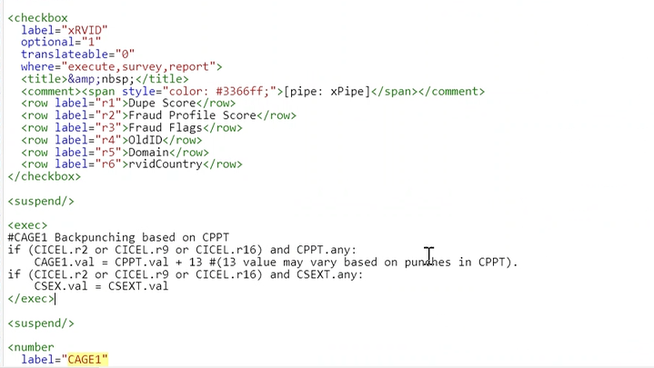
210053-1001 zon / query / 208176-1001 / zon query / 210213-1001 Changes / 208180-1001 Changes / 208179 1001 Translation / changes / 209937-1001 Split Placement SnapShot 2 France | 17/8/2022 | y | CAD1 , CAD2 , CAD3, CAD4 CAD9 , split / Nutella 1 concept
210726-1001 Changes / 209818-1002 Zoning Query - mail / 210726-1001 Changes / 209486-1001 3PP - Gamer BASES 1 US | 18/8/2022 | y | gamer study complex , logoff at 6 am
210461-1001 Images / 210263-1001 Changes / 210638-1001 Translation / QC task 209486-1001 3PP Gamer Custom US | 19/8/2022 | y
211025-1001 3PP - Copy over BASES India / 209158-1001 Changes / 209440-1001 Changes / 210212-1001 3PP 8/23/2022 1:33 US Live process / 210730-1001 Changes image / 210212-1001 zon | 21/8/2022 | y
211001-1001 Changes / 210908-1001 image Change / 210263-1001 Zoning / 208901-1001 e-Panel Snapshot US | 23/8/2022 | y | IPKG / INTRB / IPKG link below INTRB PROGRAMMER: TRACK LINK CLICKS | 208901-1001 - bill pending 4hr
210636-1001 Graphics Changes / 210468-1001 Changes zon / 208342-2101 Changes checked with divya for video setup / 209529-1001 3PP Price Advisor US - 3 hr pending | 24/8/2022 | y | calculation / calculated BPA / 2 different calculations | 209529-1001 - bill pending 4hr
209158-1001 Changes / 209929-1001 Changes zon / 210040-1001 zon / 209371-1001 Clarifications/Changes / 208901-1001 Changes | 25/8/2022 | y
210631-1002 3PP - Recontact Snapshot South Korea / 205594-1003 3PP Lineup All Other Canada / 209158-1001 Changes many question updates / 209371-1001 Changes sova block wise CLKM | 26/8/2022 | y | Sova block wise CLKM condition, 2 sova | REF - 209927-1001 | Bill Pending - 205594-1003
209052-1001 Clarification / 207740-1001 Changes graphics / 204602-1004 Live Change / 209804-1001 claification / 210629-1001 3PP Placement Product Other US Discovery | 29/8/2022 | y | Complex placement setup hold 1,2,3… ref ref - 210630-1001 discovery
210711-1001 Changes/Clarifications / QC 206035-1001 3PP Snapshot Indonesia | 30/8/2022 | y
206035-1001 Clarification/XML to GTT / 210491-1001 Changes / set to live 207740-1001 / 209052-1001 live 3PP US / 210859-1001 Graphics / 211031-1001 XML to GTT | 2022-01-09 | y | Cell assignment / bucket cells learning - 207740-1001 |  |  | SOVA BLOCK COND
209950-1001 zon / 211388-1001 3PP Gamer - Line up Snapshot France / 210174-1001 Translation / 211039-1001 Changes / | 2022-02-09 | y | Gamer line up series
208156-1005 3PP Copyover All Other India / 211108-1002 3PP Copy Over All Other UK / 211108-1003 3PP Copy Over All Other UK / 211108-1004 3PP Copy Over All Other UK / zon 209052-1001 | 2022-05-09 | y | copy over studies..
211315-1001 translation 2hr / 207681-1001 3PP - Placement SnapShot 2 UK 2hr | 2022-06-09 | y | Workflow not working / 2+2+1+4
210217-2001 xml to gtt / 211387-1001 Changes / 207725-1001 Translation / 210170-1001 Changes / 210171-1001 Changes / 211391-1001 Changes / 211384-1001 Changes / | 2022-07-09 | y
210283-1001 MFM 3PP Idea Screener South Africa / 209052-1001 zon / 211487-1001 tanvi query resolution | 2022-08-09 | y | CAT timer error - move it inside seq block / DQstartCATtimer is not defined | ref 210283-1001 CAT timer
211391-1001 Changes / 211334-1001 CLT Product Other UAE / 210213-2001 Changes | 2022-09-09 | y | CLT / CLIK CDIS / CDATE
210437-1001 CLT Product Other custom | 2022-09-12 | y | 8hr custom loop rotation 700
211216-1001 zon / 209499-1001 Changes / Zoning / XML to GTT / 211335-1001 Changes / 211204-1001 changes / 211439-1001 Translation / 211125-1001 Changes/Graphics / 211334-1001 Changes / 210171-1001 Changes/Clarification / 211090-1001 Changes / 211334-1001 XML TO GTT | 2022-09-13 | y
211322-1001 Changes/Graphics / 211488-1001 Graphics/Changes/XML to GTT / 211090-1001 Changes | 2022-09-14 | y
211321-1001 Translation french / 211521-1001 Clarification/Changes / 211488-1001 Changes / 211486-1001 3PP Snapshot Thailand | 2022-09-15 | y | if error at string for CAG3 radio setup, check res label add %d |  |  | <res label="errCAGE3">Your answer must be equal to %d</res>
210918-1001 Changes / 211276-1001 Split Germany 10/19/2022 21:16 live / 209099 1001 Translation portuguese / 209098-1001 XML to GTT / 210267-2001 XML o GTT / 211503-1001 XML o GTT / 205595-1003 3PP Lineup All Other Canada Discovery | 2022-09-19 | y
205503-2002 Changes / QC 211442-1001 3PP Idea Screener South Korea (Subikshan) / 209098-1001 Changes / 209546-1001 Clarification / 211052-1001 Clarification/Changes/Zoning / Projet management tanvi - 1hr changes 210556-1001 / 211229-1001 changes shubham help / 210918-1001 3PP Brazil image check / 211277-1001 3PP Spain image check / 211552-1001 Epanel US image check / 211571-1001 - graphics (helping tanvi in query) / changes 211052-1001 | 2022-09-20 | y
211483-1001 Calrification/Changes / Quota / 209546-1001 Changes/Clarifications / 210525-1001 Changes/Clarifications / 211710-1001 3PP Idea Screener South Korea / 211495-1001 Change / Clari SOVA setup custom / 205005-1001 SEQ BPA helped tanvi on this | 2022-09-21 | y | Least Fill - show 5 concepts out of 7 idea screener 3 pods quota set - 211710-1001
211613-1001 Changes / 209624-1001 Changes - Zoning / 211457-1001 XML to GTT/Graphics / 209630-1001 Zoning / 209624-1001 Changes / 211457-1001 Graphics / 210556-1001 Changes (Many changes) / 211581-1001 changes sova / | 2022-09-22 | y | Top link wording at xlink custom - 210556-1001 / CPV1 , 2 pipe in at product information |  | Chat wth - CAROLINA FLORES | 192024-1001 : Dorado SSII - Many question changes
210557-1001 CLT Price Advisor Greece / 192024-1001 Changes/Clarification | 2022-09-24 | y | custom CLT programming - similar to 210556 BPA setup comma |  | Chat Appreciation | 192024-1001 : Dorado SSII
209754-1001 Clarification/Changes / 210917-1001 Changes / 211031-1001 zon / 192024-1001 Changes / 211464-1001 Translation french / QC 211696-1001 3PP SEQ Snapshot UAE / 192024-1001 s&w image check | 2022-09-26 | y
211695-1001 Graphics / 211695-1001 changes / 211696-1001 changes | 2022-09-27 | y | 50 / 50 split quota for CQ201 and CQ202
210917-1001 Changes - Zoning / 209546-1001 Changes choise questions, conjoint max diff custom / | 2022-09-28 | y | 209546-1001 - choise questions, conjoint max diff custom /
210793-1001 Live Change / | 2022-09-29 | y
211696-1001 XML to GTT / 209623-1001 Changes / 210711-1003 MFM SEQ BPA Philippines | 2022-09-30 | y | CPGV1 - CPSM
210711-1003 Images / 211814-1001 Changes / 209628-1001 3PP Gamer Lineup All Other France / 209627-1001 3PP Gamer Lineup All Other Japan | 2022-10-03 | y
210711-1003 Images/Changes/Clarification/XML to GTT / 209625-1001 Changes / 209754-1001 Images / 212090-1001 Changes / 209631-1001 3PP Gamer Lineup All Other Mexico | 2022-10-04 | y
212090-1001 XML to GTT Arabic / 211997-1001 Changes / 210711-1003 Changes/Clarification / 210557-1001 Changes / 212075-1001 3PP Lineup Snapshot UK / | 2022-10-05 | y
209631-1001 Changes / 210389-1001 Changes/ 209631-1001 Changes / 204602-1005 3PP Line up All Other India | 2022-10-06 | y
210556-1001 Live Changes / 210667-1001 Grpahics / 212255-1001 Changes /Clarifcation / 209754-1001 Clarification / 211882-1001 Changes / | 2022-10-07 | y
211620-1001 Changes / 212003-1001 Changes / 212018-1001 Changes/Clarifications/XML to GTT / 211227-1001 change / 212019-1001 Changes / 211586-1001 CLT Taste Test Product Other Italy / | 2022-10-10 | y | taste taste / password setup - CEND1
211634-1001 Changes / 212018-1001 Clarification / 209098-2001 Translation / 210856-1001 3PP Placement Product Other South Korea | 2022-10-11 | y | Placement - cell based 2 variety

Automation idea

bowtie changes comments tab should be different where we can see or enter all coments for perticular study / also comments are currently seen in one line, it should be able to break line for better look and feel

Basic Changes
BASIC CHANGES | STATUS

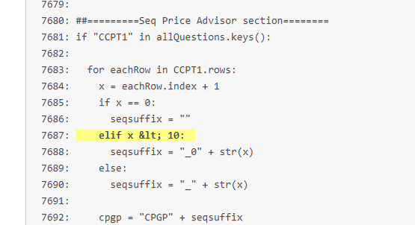
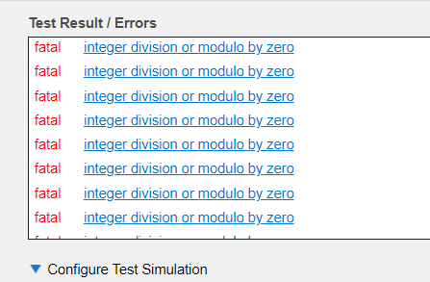
setlang | y
DESCR and CCELL remove | y
COQ : Qualifier and Termination
or (int(CUSER.val) in range(7700000,8999999) and list != '1')
Upfront demos - Healy
Backend Demos - healy
CTRM Duplicates
p.prvlink
CSEX_OP cond="0"
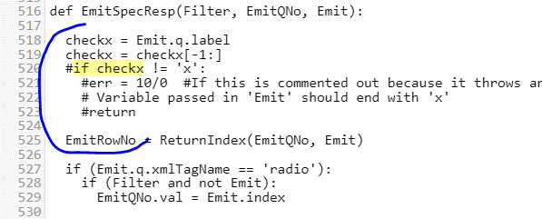
Check CFQ2 randomization
Check all random for grid
qList = ['CNAD_01','CREL_01','CALT_01'] for x in range
Healy - South Korea External Demos
CHH-CAGE3: Asked to all respondents, if it is a split study else it should be placed under is3PP() condition.
Epanel - CHH-CAGE3 to be under is3PP block
3PP - show to all respondent
SPLIT - CHH-CAGE3 show to all respondent

IMAGES GRAPHIC

Concept Board - INTRB/INTR2 - VLTR
Shelf shot - INTS/INTSS - VLTRS
Fact card - INTF/ITNFC - VLTRFC
VLTR/VLET
VLTRS/VLETS
VLTRFC/VLETFC
CLINK1 - All images

horizontal = 960, open with paint, Resize image
${buildVLTRImage("BATHROOMv6.JPG","Concept 1")} | Image in response list
${“Image1” if CLAN.r1 else “IMAGE2”}
<row label="r1">${buildVLTRImage("1918341001EC1.JPG","Concept 1") if (CLAN.r1) else buildVLTRImage("1918341001BC1.JPG","Concept 1")}</row>

QC Check

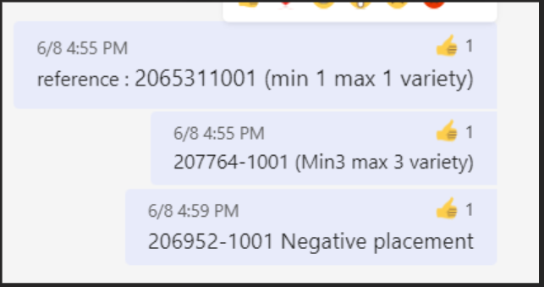
Randomize | y
Terminate | y
Qualifiers | y
Textual check
Base Condition
Pipe in
p.prvlink
Exclusive
Other specify
goto / skip condition

PLACEMENT
Add Placement Skip Before xCAT | ref 207018-1001

<group label="g1" builder:axis="row"/>
<group label="g2" builder:axis="row"/>
<group label="g3" builder:axis="row"/>
<group label="g4" builder:axis="row"/>
<group label="g5" builder:axis="row"/>
<group label="g6" builder:axis="row"/>
<group label="g7" builder:axis="row"/>
<group label="g0" builder:axis="row"/>
<group label="g0" builder:axis="row" builder:default="1" where="none"/>

groups="g1"
groups="g0"
shuffle="rows,groups"

PRICE ADVISOR BPA setup CTRM for threshold

<row label="rCPAVTHfail">CPAVTHfail</row>
<row label="rCPRICE">CPRICE</row>

LINE UP / Refield

Duplicate the survey
1)first box should clicked | y
2) rename auto with studyID 204199003 | y
3) change like below | y
ss:disableBackButton="0" | y
ss:enableNavigation="1" | y

4) replace study FDA with current FDA | y
5) check cver it should be 1 | y
6) put the bucket script to cond=0
7) move cblok and sequential script to above bucket script
8) caseid script change ID range first 50000 to 70000 or something

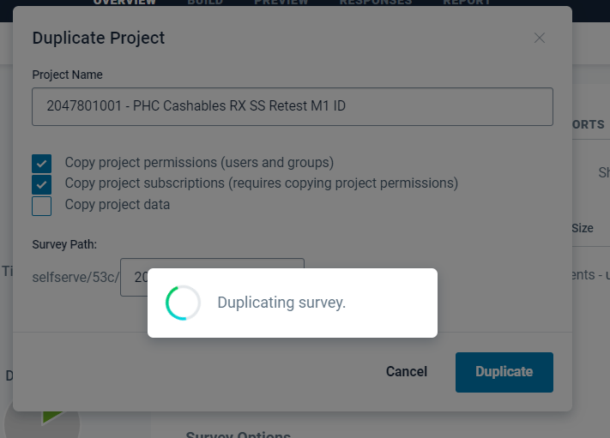

BASES Regular < 30 + Std questions
BASES Lengthy > 30 + Std questions + More questions
BASES Custom study(Gamers, Brand Pick using Least fill, Custom req studies)
Discovery Studies

 |  | CSWLBDB1_[loopvar: label]
 |  | CSWLBDB2_[loopvar: label]
 |  | CSWLBDB3_[loopvar: label]
 |  | CSWLBDB4_[loopvar: label]
 |  | CSWLBDB5_[loopvar: label]
 |  | CSWLBDB6_[loopvar: label]
 |  | CSWLBDB7_[loopvar: label]
 |  | CSWLBDB8_[loopvar: label]
 |  | CSWLBDB9_[loopvar: label]
 |  | CSWLBDB10_[loopvar: label]
 |  | CSWLBDB11_[loopvar: label]
 |  | CSWLBDB12_[loopvar: label]

Sample program
 | setlang

 | add bracket after setlang

 | CPRIV
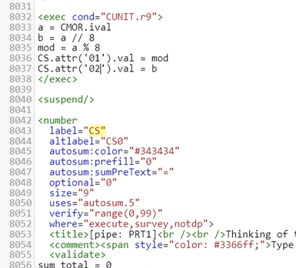
 | <exec>
 | if not(is3PP()):
 | p.prvlink="https://members.pineconeresearch.com/#/PrivacyPolicy"
 | else:
 | p.prvlink="https://sp004.pcrint.net/start/privacy/policy3pp_us.htm"
 | </exec>

 | <suspend/>

 | BLOCK 2,3

 | <radio
 | label="xWordCPI"
 | optional="1"
 | where="execute,survey,notdp">
 | <title>&amp;nbsp;</title>
 | <comment><span style="color: blue;"></span></comment>
 | <row label="r1" value="1"/>
 | <row label="r2" value="2">Assume that the current Starbucks K-Cup® pods was taken off the market and was replaced with [pipe: CAW1].</row>
 | <row label="r3" value="3">Assume that the current Starbucks K-Cup® pods was taken off the market and was replaced with [pipe: CAW1].</row>
 | </radio>

 | <exec>
 | xWordCPI.val = CBLOK.val
 | </exec>

 | <suspend/>

 | CAGE1

 | <block label="term_CAGE1" cond="is3PP() and CAGE1.ival lt 18" sst="0">
 | not(CAGE1.check('20-39'))
 | (CTK.attr('05')
CAGE | <title>Earlier, you mentioned you had [pipe: CHH] member(s) living in your household. Please indicate below the age(s)/gender(s) of the members of your household, including yourself.</title>
 | <comment><span style="color: blue;">Type in a number or 0 for each age group below</span></comment>

 | CLKM, CUNM, CFRM / RowCond

CUNM | rowCond="row.label in [x.label for x in CLKM.rows if not(CLKM.attr(x.label).c5) and CLKM.attr(x.label).displayed]"
CFRM | rowCond="row.label in [x.label for x in CUNM.rows if not(CUNM.attr(x.label).c10) and CUNM.attr(x.label).displayed]"
CFM2 | rowCond="row.label in [x.label for x in CFRM.rows if (CFRM.attr(x.label).c1) and CFRM.attr(x.label).displayed]"
CFRM | rowCond="row.label in [x.label for x in CUNM.rows if (x.c1 or x.c2 or x.c3 or x.c4 or x.c5 or x.c6 or x.c7 or x.c8 or x.c9) and CUNM.attr(x.label).displayed]"
CATE | rowCond="CATE[row.index]"
Grid | surveyDisplay="desktop"
 | if (len([x for x in nnset(30,55) if CTF1.attr(x)]) gt 0):
 | if (len([x for x in ['r30','r31','r32','r33','r34','r35','r36','r37','r38','r39','r40','r41','r42','r43','r44','r45','r46','r47','r48','r49','r50','r51','r52','r53','r54','r55'] if CTF1.attr(x)]) gt 0):
r99 | cond="CTF1.count&gt;1"
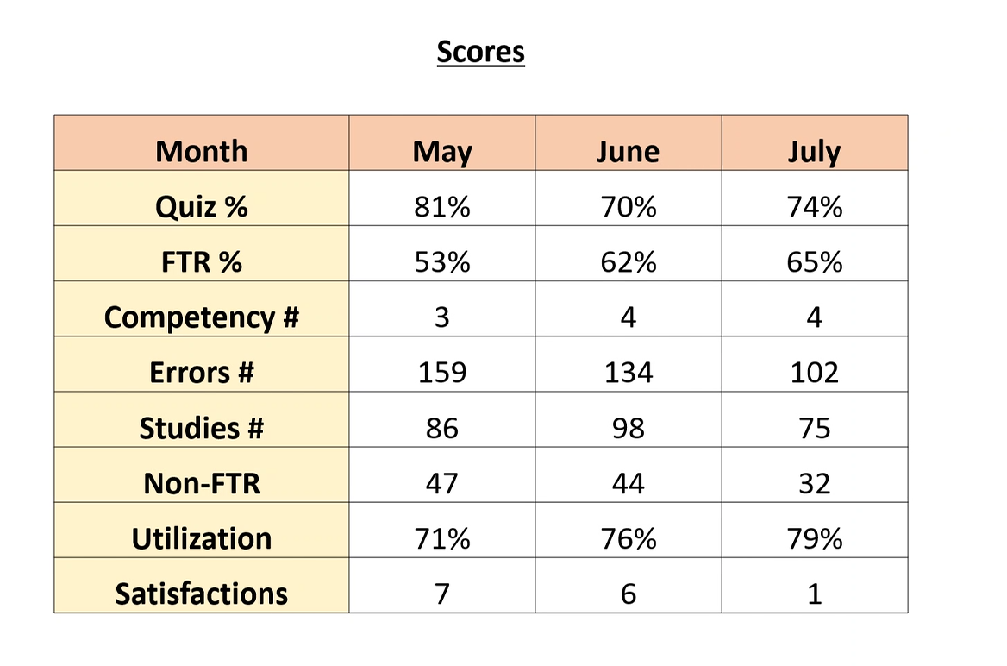
 | len([x for x in ['r9','r16','r19','r20','r22','r26','r27','r31','r36','r38'] if CTF3.attr(x)]) gt 0

 | GOTO After CBEL / Quota will only work in live

 | <goto cond="(CPI.r5) or (CUNIT.r0) or (CFREQ.r8)" target="xCAT"/>

 | cond="not(str(gv.survey.root.state) == &quot;testing&quot;)"

 | Remove concept link

 | <exec>
 | setDefault()
 | </exec>

 | <suspend/>

 | Set link

 | <exec>
 | setPRT1Link(1)
 | </exec>

 | <suspend/>

 | AUTO PUNCH

 | if CHSP.r1:
 | CRACE.r4.val=1

 | Rank Sort

 | <select
 | label="CQ14"
 | minRanks="5"
 | optional="1"
 | ranksort:answersContainerCSS="width: 600px;"
 | ranksort:bucketCSS=" width:200px; height: 100px;"
 | ranksort:cardCSS=" background:#00c3bd; border-color:#aaa; width:250px; height: 100px; -webkit-border-radius: 5px; border-radius: 5px;"
 | shuffle="rows"
 | unique="none,cols"
 | uses="ranksort.4">
 | <title>Which of the following factors are important to you when making decisions on how or whether you buy health and wellness products/services?</title>
 | <comment><span style="color: blue;">Drag each option into the column on the right. The top option is most important to you.[pipe: xPipe]</span></comment>
 | <row label="r1">Product reviews/ recommendation by family/friends/peers</row>
 | <row label="r2">Product reviews/recommendation by celebrities/social influencers/sponsored ads on Instagram/Tik Tok/YouTube etc</row>
 | <row label="r3">Product reviews/ recommendation by medical/health specialists/3rd party health endorsements</row>
 | <row label="r4">Ability to inspect, trial, sample the product</row>
 | <row label="r5">Ability to clearly read/research detailed information on usage/suggestions</row>
 | <row label="r6">Access to rewards/loyalty, special buys</row>
 | <row label="r7">Guarantees/assurances of the product efficacy / that it does what it says it will</row>
 | <row label="r8">Ability to ask specific questions/expert advice by sales representative/specialist</row>
 | <row label="r9">Ability to compare products (and benefits/details) side by side</row>
 | <row label="r10">Ability to see full range of options / choices available</row>
 | <row label="r11">Convenience of access, part of normal shopping</row>
 | <row label="r12">Speed of delivery/ability to fill immediate need</row>
 | <row label="r13">Access to promotional offers/discounts</row>
 | <row label="r14">Limit exposure or risk to health/hygiene hotspots</row>
 | <choice label="ch1">Rank 1</choice>
 | <choice label="ch2">Rank 2</choice>
 | <choice label="ch3">Rank 3</choice>
 | <choice label="ch4">Rank 4</choice>
 | <choice label="ch5">Rank 5</choice>
 | </select>

 | <suspend/>

 | RQ

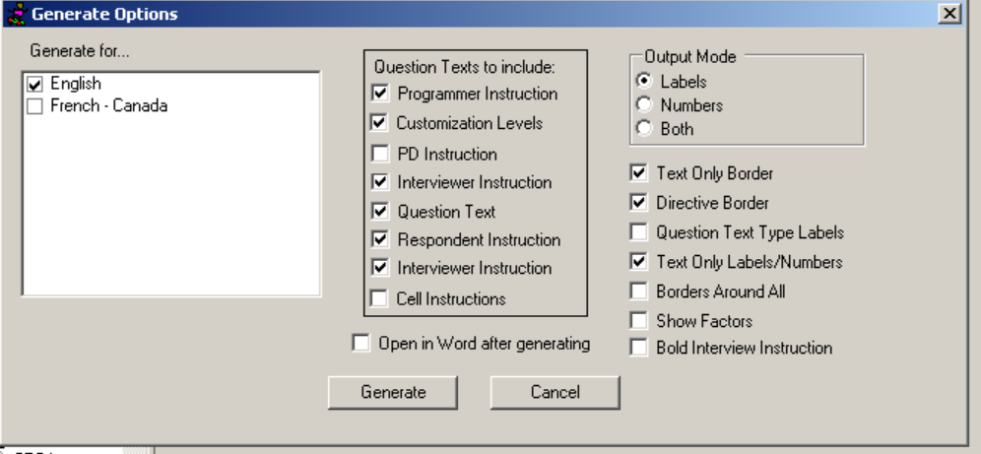

 | CLIK CDIS block - Edit after "cpix"

 | <exec>
 | if CPI.r1 or CPI.r2:
 | CLIK_CDIS.order = [0, 1]
 | else:
 | CLIK_CDIS.order = [1, 0]
 | </exec>

 | <suspend/>

 | <block label="CLIK_CDIS" randomizeChildren="1">
 | <block label="r1" randomize="1">
 | <textarea
 | label="CLIK"
 | fwidth="73"
 | height="10"
 | optional="0"
 | randomize="0"
 | width="50">
 | <title>Based on the product information you just saw, what is there about [pipe: CAW1] that you think you'd <b>like</b>?</title>
 | <comment><span style="color: #3366ff;">Please be as specific as possible.&amp;nbsp; Click in the box and begin typing${p.likdisMobile}.</span></comment>
 | </textarea>

 | <suspend/>
 | </block>

 | <block label="r2" randomize="1">
 | <textarea
 | label="CDIS"
 | fwidth="73"
 | height="10"
 | optional="0"
 | randomize="0"
 | width="50">
 | <title>Based on the product information you just saw, what is there about [pipe: CAW1] that you think you'd <b>dislike</b>?</title>
 | <comment><span style="color: #3366ff;">Please be as specific as possible.&amp;nbsp; Click in the box and begin typing${p.likdisMobile}.</span></comment>
 | </textarea>

 | <suspend/>
 | </block>
 | </block>

 | [INSERT LINK TO CONCEPT BOARD] product information / Insert product from CLKM (CSVL)

 | [pipe: PRTA]
 | ${str(CLKM.attr('01').text)}

 | Display condition
 | cond="len([x for x in nnset(1,18) if CGP.attr(x)]) gt 0"

 | PLACEMENT SETUP

 | X:\General\Innovation - Under Construction\Internal\Documents\Process\Programming\Set-up\Placement

 | VALIDATE

 | <validate>
 | if not(CPAR2.r4) :
 | error(res.errCPAR2)
 | </validate>

 | xCSHOWWording

 | <radio
 | label="xCSHOWWording"
 | where="execute,survey,report">
 | <title>Wording used at CSUB</title>
 | <exec>
 | if CBLOK.r1 or CBLOK.r3: xCSHOWWording.val = xCSHOWWording.r1.index

 | if CBLOK.r2 or CBLOK.r4: xCSHOWWording.val = xCSHOWWording.r2.index
 | </exec>

 | <row label="r1">these products</row>
 | <row label="r2">this product</row>
 | </radio>

 | <suspend/>

 | Wording

 | <radio
 | label="xWordCUNITA"
 | optional="1"
 | where="execute,survey,notdp">
 | <title>&amp;nbsp;</title>
 | <comment><span style="color: blue;"></span></comment>
 | <row label="r1" value="1">or next</row>
 | <row label="r2" value="2"/>
 | </radio>

 | <exec>
 | xWordCUNITA.val = CBLOK.val
 | </exec>

 | <suspend/>

 | Shuffle

 | shuffle="rows,groups"

 | CARD Setup

 | uses="cardrating.1"

 | csreduce
 | <exec>
 | p.CSReduce = {
 | 1: [4,5,6,7,8],
 | 2: [4,5,6,7,8],
 | 3: [1,2,3],
 | 4: [1,2,3],
 | 5: [1,2,3],
 | 6: [1,2,3],
 | 7: [1,2,3],
 | 8: [1,2,3]
 | }
 | </exec>

 | rowCond="reduceList(row.label,p.CSReduce,CICEL)"
 | rowCond="reduceList(row.label,p.CSReduce,CBLOK)"

 | <radio
 | label="xWordCSUBA"
 | optional="1"
 | where="execute,survey">
 | <title>Wording used at CSUB</title>
 | <row label="r1">or next</row>
 | <row label="r2"/>
 | </radio>

 | <suspend/>

 | <exec>
 | xWordCSUBA.val = CBLOK.val
 | </exec>

 | wherever we have called - setPRT1Link(1), replace with above script
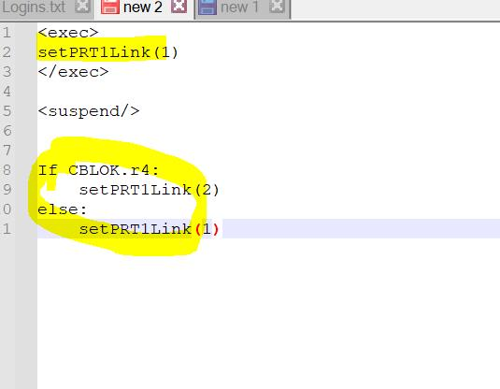

 | <exec>
 | if CBLOK.r4:
 | setPRT1Link(2)
 | else:
 | setPRT1Link(1)
 | </exec>
 | <suspend/>
 | Adding don’t know in text question

 | Adding don’t know in text

 | <noanswer label="r99">DON'T KNOW</noanswer>

 | Value validation between two question ref 206100-1001

 | <validate>
 | if CVWC.ival gt CVWD.ival:
 | error(res.CVWDerror)
 | </validate>

 | US placement address
 | 47 Price Ave,
 | FL 1
 | Erlanger
 | KY
 | 41018

 | <radio
 | label="xCMWording"
 | optional="1"
 | where="execute,survey">
 | <title>Wording used at CM</title>
 | <row label="r1">these products</row>
 | <row label="r2">this product</row>
 | </radio>

 | <suspend/>

 | <exec>
 | if CFM.c1.count gt 1:
 | xCMWording.val = xCMWording.r1.index
 | else:
 | xCMWording.val = xCMWording.r2.index
 | </exec>

 | <exec>
 | x=0
 | if CQ8.c1.count ge 1:
 | x = CQ8.c1.count

 | if CQ8.c2.count ge 1:
 | x = x + CQ8.c2.count

 | if (x ge 4):
 | CTRK.val = CTRK.r1.index

 | if (x == 2) or (x == 3):
 | CTRK.val = CTRK.r2.index
 | </exec>

